Sheet1
Example of Selecting Sample Size for Proportions
-A health organization wants to estimate the proportion of people in a city who have received the flu vaccine this year.
-They aim for the estimate to be curate within 3%, using a 99% confidence level.
Error | 0.03
Estimated Population Proportion (p) | 0.5
Level of Confidence | 0.99
Alpha (a) | 0.01
=NORMS.S.INV(1-B24)
=B21*(1-B21)*(B25/B20)^2
=ROUNDUP(B26,0)
Alpha/2 | 0.005
Critical Value (z) | 2.58
Sample size Estimate | 3698
Sample size | 3698
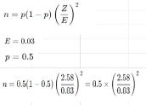

To estimate the proportion of people in the city who have received the flu vaccine with a 99% confidence level and a margin of error of 3%, the health organization needs to survey approximately 3698 people. This sample size ensures that the estimate will be accurate and reliable, providing a solid foundation for understanding vaccine coverage in the city

Definitions of Symbols Used
-E: Margin of Error (the maximum acceptable difference between the sample proportion and the true population proportion)
-p: Estimated Population Proportion (the estimated proportion of the population that received the flu vaccine)
-a: Alpha (the probability that the true population proportion is not within the confidence
interval, equal to 1-Confidence Level)
-a/2: Half of Alpha (used to find the critical a two-tailed test)
-z: Critical Value (the z-score corresponding to the desired confidence level)
-n: Sample Size Estimate (the required number of survey responses to achieve the desired confidence level and margin of error)

Sheet2
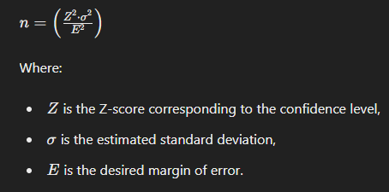
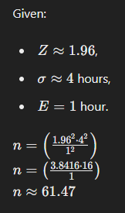
Example of Selecting Sample Size
-A media research company would like to estimate the mean number of hour teenager spend watching TV per week within 1 hour using 95% level of confidence
-Base on previous studies, the standard deviation is estimated to be 4 hours.
Margin of Error | 1 hour
Estimated Standard Deviation | 4 hour
Level of Confidence | 95%
Alpha | 0.05
Alpha/2 | 0.025
Critical Value | 1.96
Sample Size Estimate | 61.4656
Sample Size | 62
Determine the Confidence Level For a 95% confidence level, which is commonly used in statistical studies, the corresponding critical value (Z-score) is approximately 1.96.

Calculate the Required Sample Size To achieve the desired accuracy, we calculate the sample size needed using the formula:

